Entrada y Salida
Placa | Tipo | Fecha | Hora cam 1 (ANPR) | Hora cam 2 | Permanencia | FOTO 1 - cam 1 | FOTO 2 - cam 2 | EJES | Detalle / nota | Clip de video | Archivo Original | Fila origen
TCX0795 | Truck | 09/09/2026 | 10:46:15 | 13:13:00 |  | 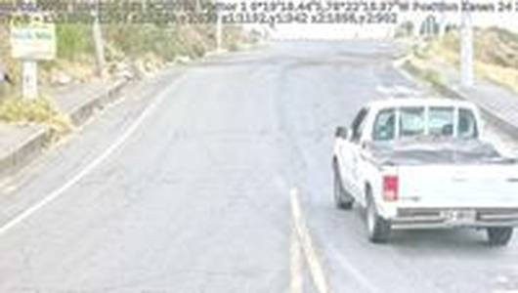 | 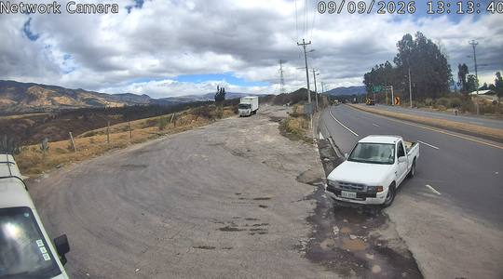 | 2 | Ford Ranger cabina simple |  | 20260909104615_ANPR_1.jpg | 304
PBO4275 | Truck | 09/09/2026 | 10:55:12 | 11:07:00 |  | 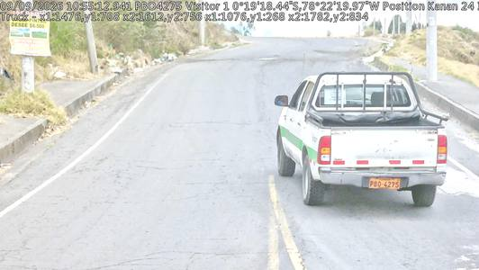 | 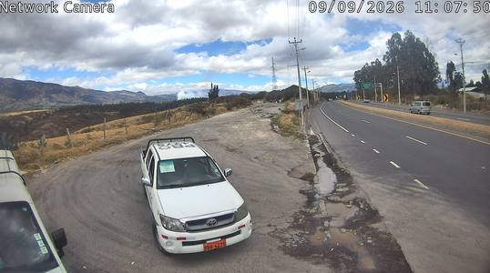 | 2 | Toyota Hilux doble cabina |  | 20260909105512_ANPR_1.jpg | 324
PFM8305 | Truck | 09/09/2026 | 11:06:03 | 11:15:00 |  | 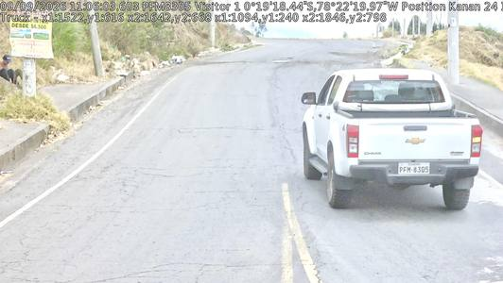 | 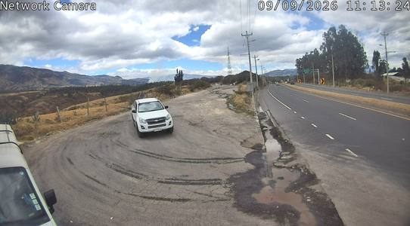 | 2 | Chevrolet D-Max |  | 20260909110603_ANPR_1.jpg | 347
PLK694 | Truck | 09/09/2026 | 11:07:16 | 12:36:00 |  | 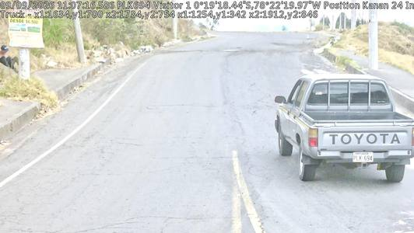 | 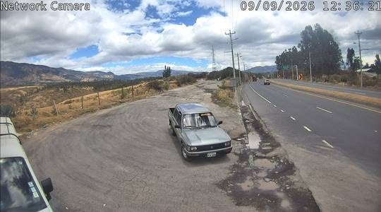 | 2 | Toyota Hilux |  | 20260909110716_ANPR_1.jpg | 349
PNU803 | Car | 09/09/2026 | 11:11:05 | 11:22:00 |  | 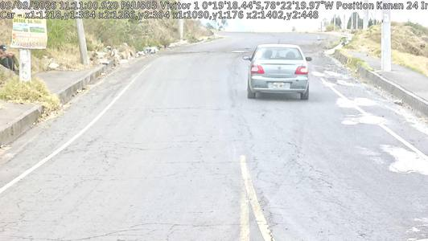 | 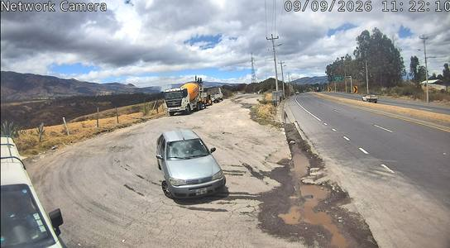 | 2 | Fiat Palio |  | 20260909111105_ANPR_1.jpg | 362
PAC7437 | Truck | 09/09/2026 | 11:20:25 | 11:28:00 |  | 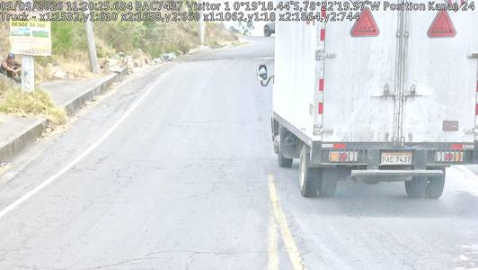 | 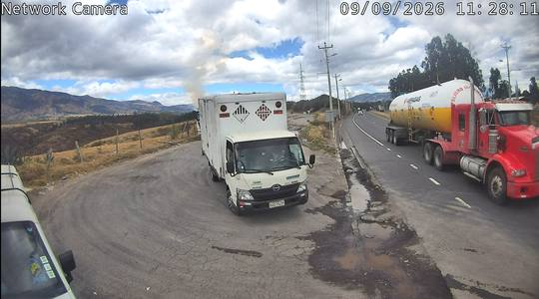 | 2 | Hino 300 furgon |  | 20260909112025_ANPR_1.jpg | 385
JBA0988 | Truck | 09/09/2026 | 11:24:15 | 11:12:00 |  | 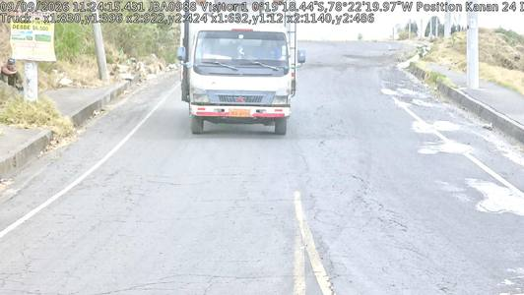 | 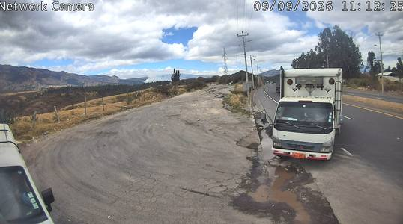 | 2 | Mitsubishi Canter furgon |  | 20260909112415_ANPR_1.jpg | 397
PPA8556 | Car | 09/09/2026 | 11:45:11 | 11:37:00 |  | 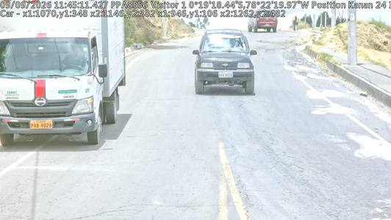 | 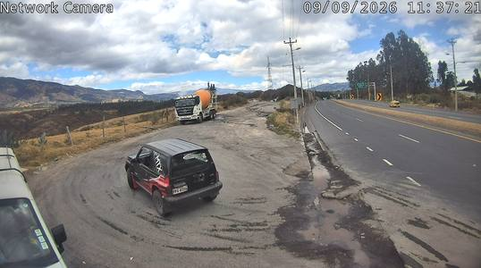 | 2 | Suzuki Vitara |  | 20260909114511_ANPR_1.jpg | 475
RCB0545 | Truck | 09/09/2026 | 11:55:21 | 12:15:00 |  | 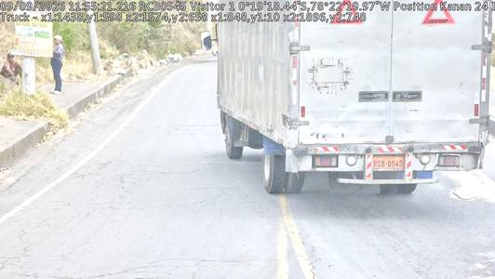 | 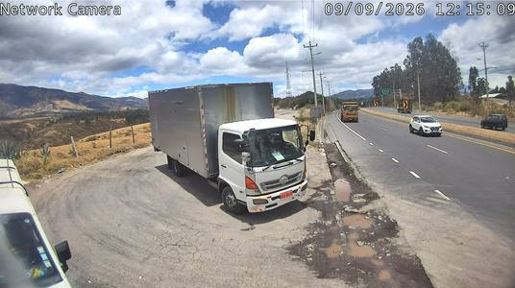 | 2 | Hino 500 furgon |  | 20260909115521_ANPR_1.jpg | 535
POD0393 | Truck | 09/09/2026 | 12:16:28 | 12:06:00 |  | 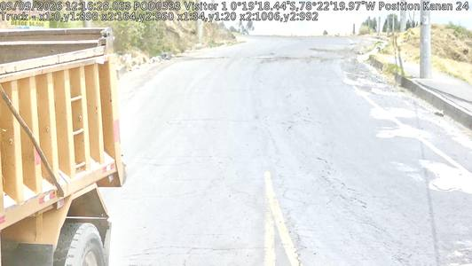 | 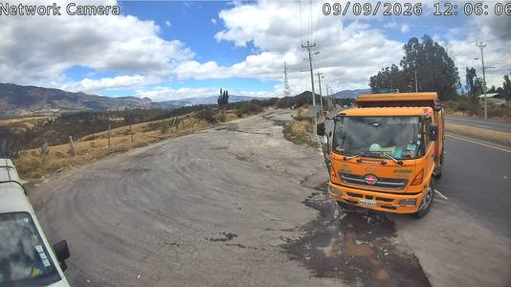 | 2 | Confirmado por video: perfil completo, 1 rueda delantera y 1 trasera | Clips/POD0393_120600.mp4 | 20260909121628_ANPR_1.jpg | 627
PDW6349 | Truck | 09/09/2026 | 12:27:53 | 12:16:00 |  | 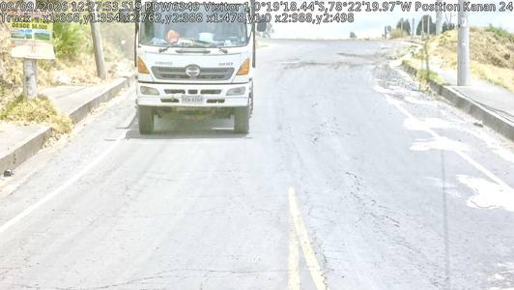 | 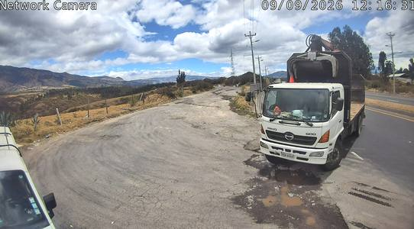 | 2 | Hino 500 con grua |  | 20260909122753_ANPR_1.jpg | 668
PAA2210 | Truck | 09/09/2026 | 12:28:02 | 12:17:00 |  | 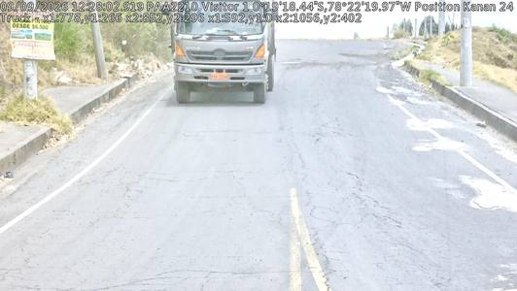 | 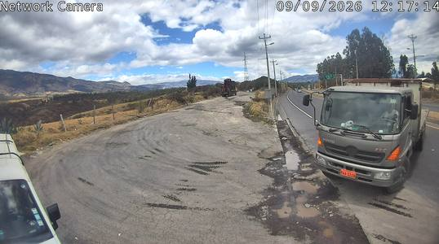 | 3 | Hino FM 1226, tandem trasero visible en el video - 3 ejes | Clips/PAA2210_121700.mp4 | 20260909122802_ANPR_1.jpg | 670
XBS0640 | Truck | 09/09/2026 | 12:35:00 | 12:22:00 |  | 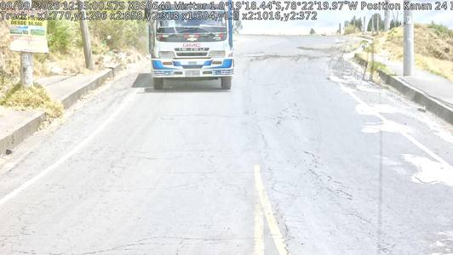 | 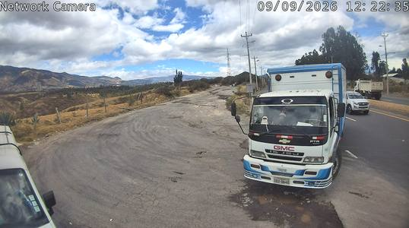 | 2 | Confirmado por video: perfil completo, 1 rueda delantera y 1 trasera | Clips/XBS0640_122200.mp4 | 20260909123500_ANPR_1.jpg | 693
PAB9028 | Truck | 09/09/2026 | 12:48:41 | 13:00:00 |  | 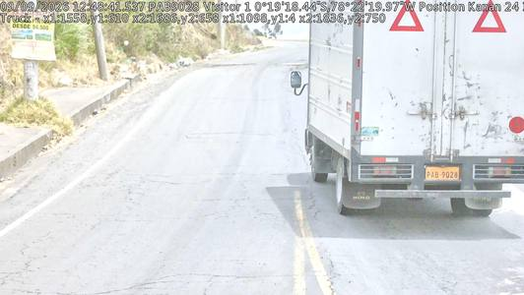 | 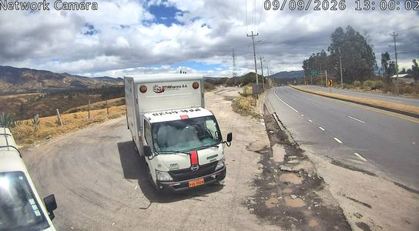 | 2 | Hino 300 furgon |  | 20260909124841_ANPR_1.jpg | 721
PCE3969 | Car | 09/09/2026 | 12:49:10 | 12:57:00 |  | 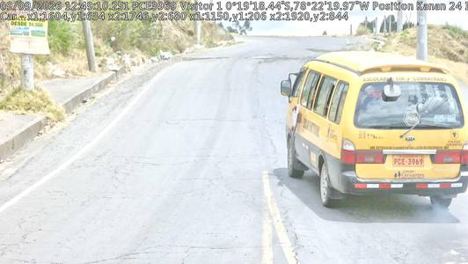 | 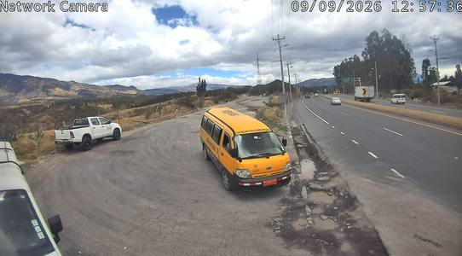 | 2 | Kia furgoneta escolar |  | 20260909124910_ANPR_1.jpg | 723
PDC2029 | Truck | 09/09/2026 | 13:05:52 | 13:13:00 |  | 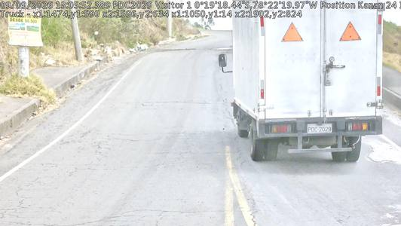 | 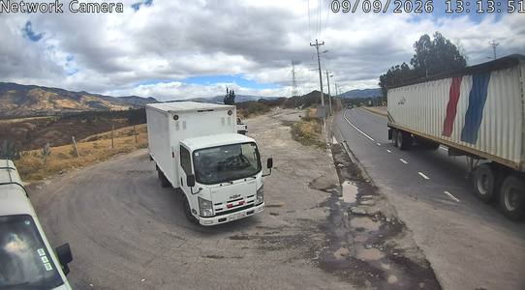 | 2 | Chevrolet NPR furgon |  | 20260909130552_ANPR_1.jpg | 757
IBB5477 | Truck | 09/09/2026 | 13:41:16 | 14:08:00 |  | 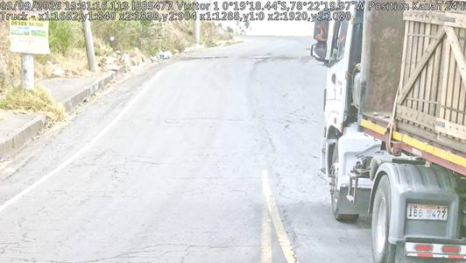 | 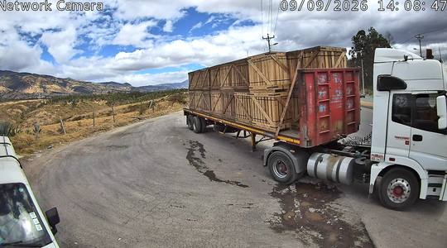 | 4 | Tractocamion Mercedes + plataforma (1 direccional + 1 traccion + 2 remolque) |  | 20260909134116_ANPR_1.jpg | 1119
PCP3336 | Car | 09/09/2026 | 13:43:27 | 13:51:00 |  | 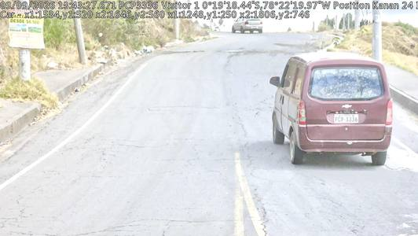 | 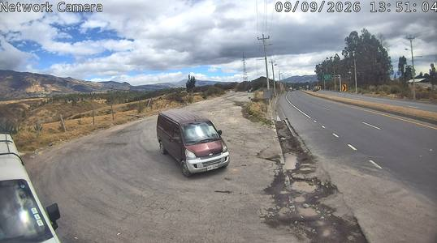 | 2 | Chevrolet N300 van |  | 20260909134327_ANPR_1.jpg | 1132
IAA1055 | Truck | 09/09/2026 | 13:44:07 | 13:31:00 |  | 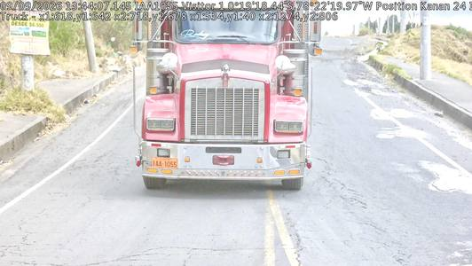 | 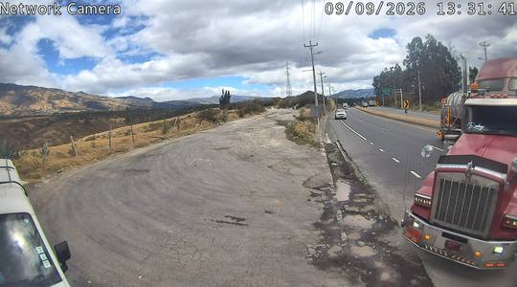 | 5 | Kenworth, tandem de traccion (2) + tridem del remolque (3) = 5 ejes | Clips/IAA1055_133100.mp4 | 20260909134407_ANPR_1.jpg | 1134
PDH8336 | Truck | 09/09/2026 | 13:49:04 | 13:39:00 |  | 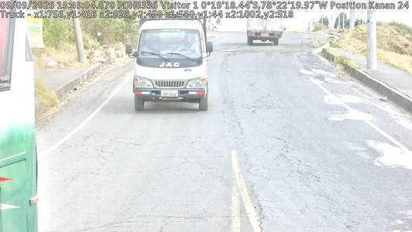 | 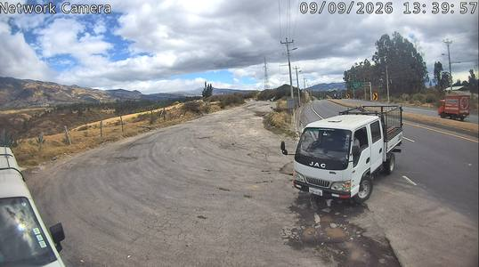 | 2 | JAC doble cabina |  | 20260909134904_ANPR_1.jpg | 1158
PAZ1513 | Truck | 09/09/2026 | 13:52:11 | 13:39:00 |  | 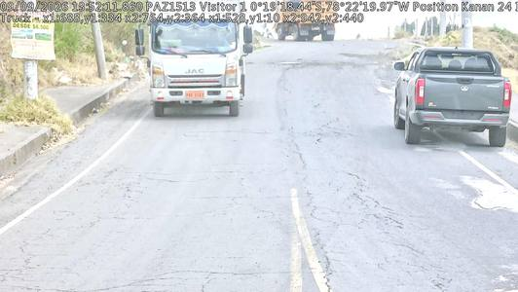 |  | 2 | Camion JAC cabina simple. OJO: la hora y la foto cam2 estan copiadas de PDH8336 en el archivo original |  | 20260909135211_ANPR_1.jpg | 1166
PDV8083 | Car | 09/09/2026 | 13:56:20 | 13:45:00 |  | 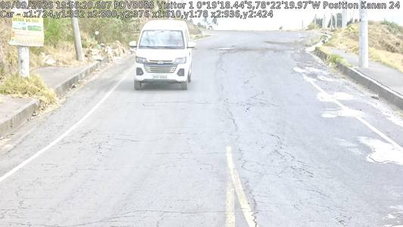 | 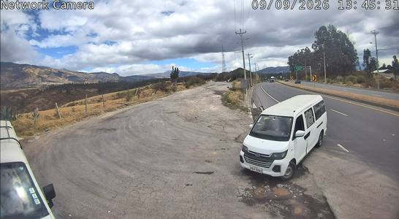 | 2 | Furgoneta |  | 20260909135620_ANPR_1.jpg | 1180
PCG1493 | Truck | 09/09/2026 | 14:17:39 | 14:07:00 |  | 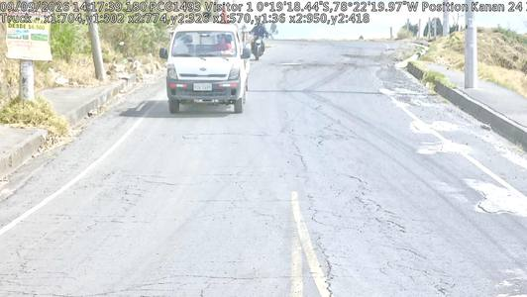 | 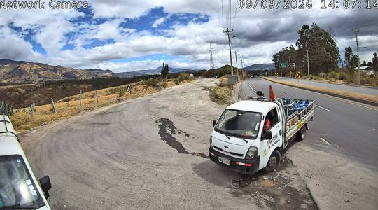 | 2 | Kia K2700 |  | 20260909141739_ANPR_1.jpg | 1235
QAA1416 | Truck | 09/09/2026 | 14:18:07 | 14:33:00 |  | 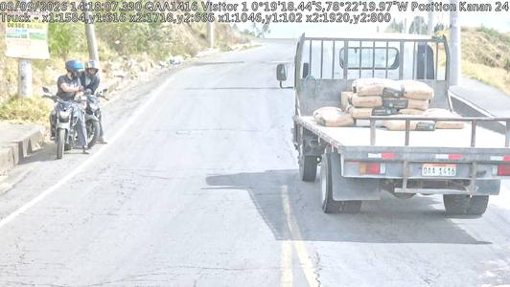 | 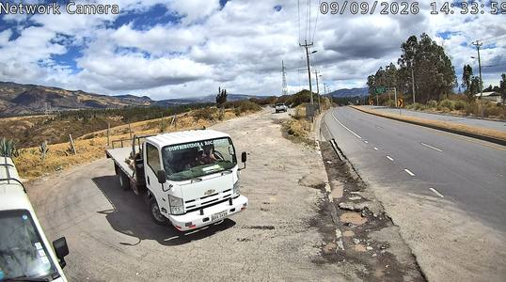 | 2 | Chevrolet NPR plataforma |  | 20260909141807_ANPR_1.jpg | 1237
XAA2065 | Truck | 09/09/2026 | 14:26:10 | 14:11:00 |  | 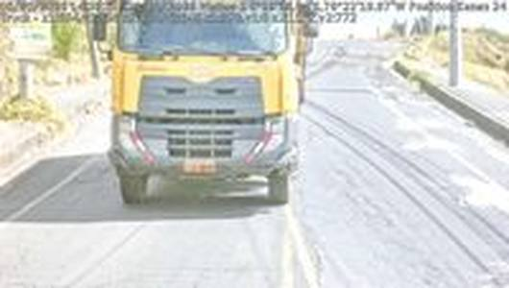 | 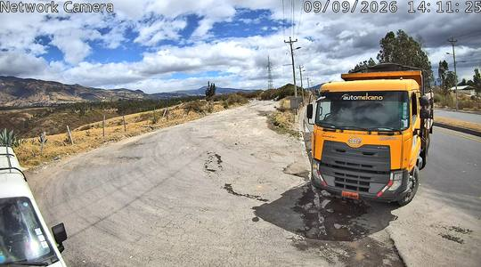 | 3 | Confirmado por video: tandem trasero (2) + delantero (1) = 3 | Clips/XAA2065_141100.mp4 | 20260909142610_ANPR_1.jpg | 1258
PAD2161 | Truck | 09/09/2026 | 14:32:18 | 14:23:00 |  | 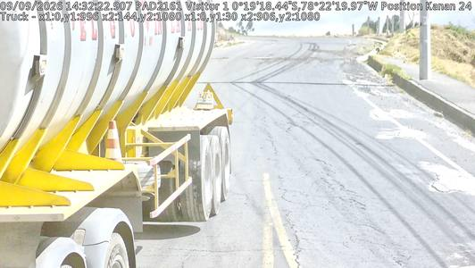 |  | 5 | Tractor con tandem de traccion (2) + tridem del remolque (3) = 5 ejes | Clips/PAD2161_142300.mp4 | 20260909143218_ANPR_1.jpg | 1268
PSC0820 | Car | 09/09/2026 | 14:34:54 | 14:45:00 |  |  |  | 2 | Chevrolet Vitara |  | 20260909143454_ANPR_1.jpg | 1281
PAB7630 | Truck | 09/09/2026 | 15:08:07 | 14:13:00 |  |  |  | 3 | Mixer Chevrolet CVZ - direccional + tandem trasero |  | 20260909150807_ANPR_1.jpg | 1369
NEA1196 | Car | 09/09/2026 | 15:08:39 | 15:02:00 |  |  |  | 2 | Chevrolet D-Max |  | 20260909150839_ANPR_1.jpg | 1371
PFR4185 | Car | 09/09/2026 | 15:16:19 | 15:05:00 |  |  |  | 2 | SUV Chevrolet |  | 20260909151619_ANPR_1.jpg | 1399
PCC2529 | Truck | 09/09/2026 | 15:26:37 | 15:11:00 |  |  |  | 2 | Hino 500 furgon frigorifico |  | 20260909152637_ANPR_1.jpg | 1454
PAB7882 | Truck | 09/09/2026 | 15:35:55 | 13:08:00 |  |  |  | 2 | Confirmado por video: camion de jaulas, 1 rueda delantera y 1 trasera | Clips/PAB7882_130800.mp4 | 20260909153555_ANPR_1.jpg | 1476
PCG1493 | Truck | 09/09/2026 | 15:38:00 | 15:49:00 |  |  |  | 2 | Kia K2700 |  | 20260909153800_ANPR_1.jpg | 1484
TBF2754 | Truck | 09/09/2026 | 16:08:37 | 12:27:00 |  |  |  | 2 | Chevrolet NLR furgon |  | 20260909160837_ANPR_1.jpg | 1591
PAC2573 | Car | 09/09/2026 | 16:11:59 | 16:24:00 |  |  |  | 2 | JAC furgoneta escolar |  | 20260909161159_ANPR_1.jpg | 1600
XAE0845 | Truck | 09/09/2026 | 16:12:48 | 16:00:00 |  |  |  | 5 | Tandem de traccion (2) + tridem del remolque (3) = 5 ejes | Clips/XAE0845_160000.mp4 | 20260909161248_ANPR_1.jpg | 1603
PAB3439 | Truck | 09/09/2026 | 16:18:46 | 16:03:00 |  |  |  | 2 | Foton furgon |  | 20260909161846_ANPR_1.jpg | 1614
PDK5433 | Car | 09/09/2026 | 16:19:06 | 16:09:00 |  |  |  | 2 | Chevrolet Spark |  | 20260909161906_ANPR_1.jpg | 1616
PAE4568 | Truck | 09/09/2026 | 16:40:55 | 15:51:00 |  |  |  | 4 | Tractocamion + plataforma (1 direccional + 1 traccion + 2 remolque) |  | 20260909164055_ANPR_1.jpg | 1690

